Sheet1
PROJECT TITLE | 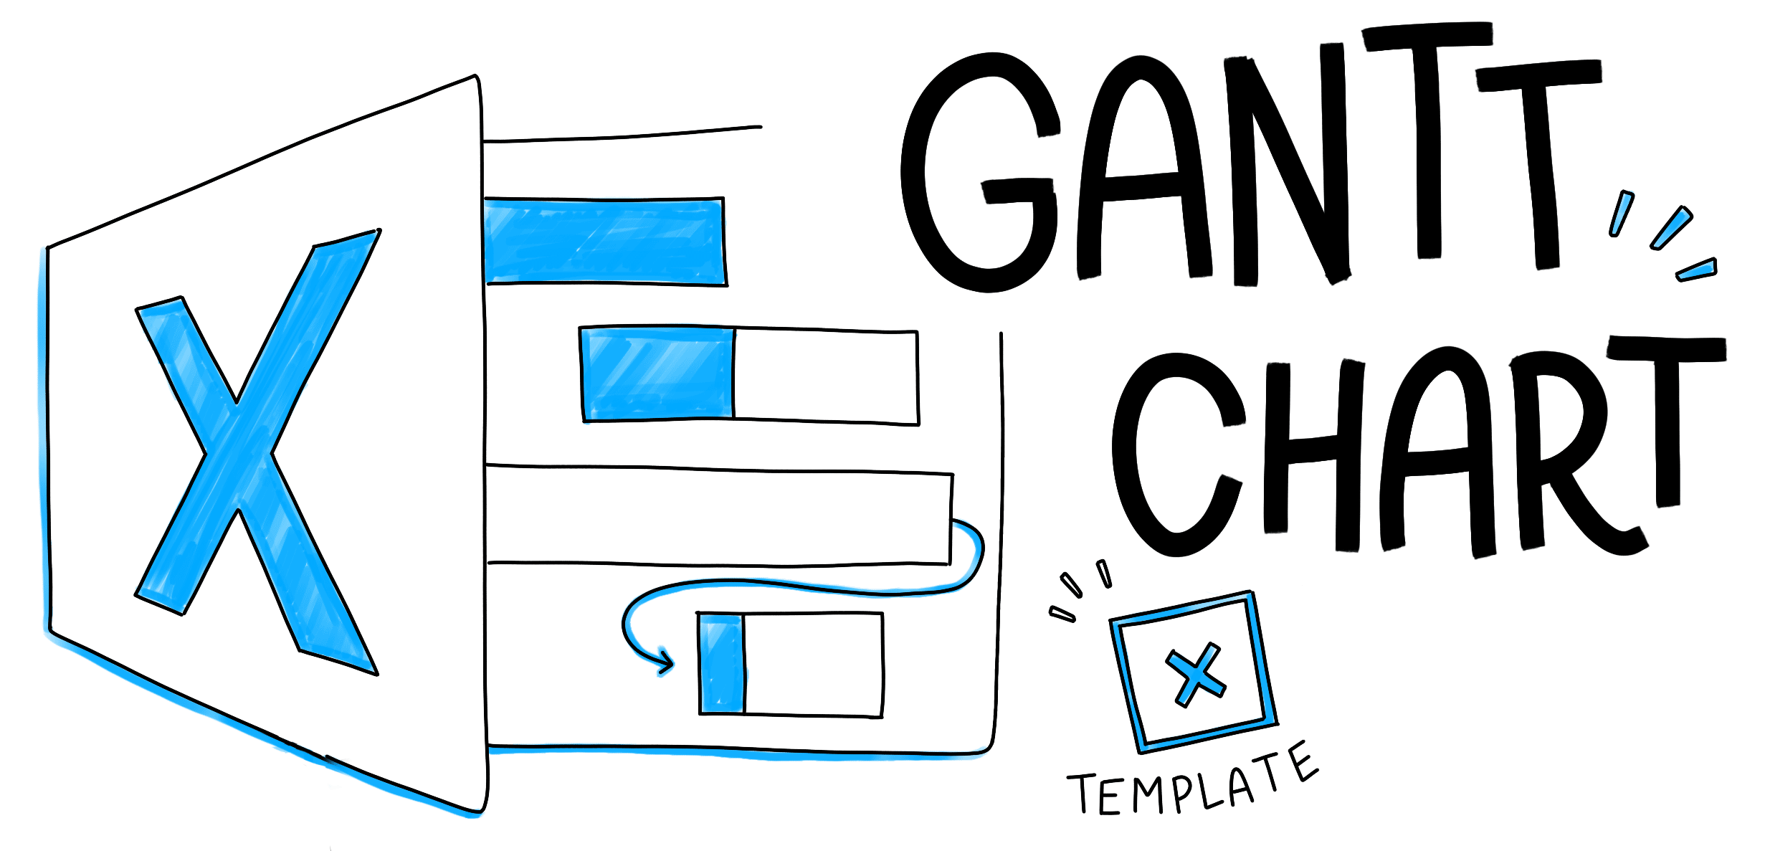
Company Name
Project Lead

Project work flow
 | Start Dates | Duration
Searching about the idea of the project | 10/1/2018 | 9
Starting collect informations and researches about project | 10/11/2018 | 10
Starting buy tools (simple tools as a beginning) | 10/22/2018 | 10
Start programming | 11/2/2018 | 10
Solving problems and adding additional tools | 11/13/2018 | 8
Continuing programming and buying tools as we need | 11/22/2018 | 9
Develop the programmig and continue 1st chapter of research | 12/2/2018 | 11
Develop the programmig and tools and 2nd chapter of research | 12/14/2018 | 7
Solving simple problems we had and continue programming | 12/22/2018 | 9
Working and preparing for first presentation | 1/1/2019 | 5
TASK NAME | ASSIGNED TO | START DATE | DUE DATE | DURATION | % DONE | DESCRIPTION | PRIORITY | SPRINT/MILESTONE
Searching about the idea of the project |  | 2018-10-01 | 2018-10-10 | 9 | 95 |  |  | Phase 1
Starting collect informations and researches about project |  | 2018-10-11 | 2018-10-21 | 10 | 100 |  |  | Phase 1
Starting buy tools (simple tools as a beginning) |  | 2018-10-22 | 2018-11-01 | 10 | 100 |  |  | Phase 1
Start programming |  | 2018-11-02 | 2018-11-12 | 10 | 90 |  |  | Phase 1
Solving problems and adding additional tools |  | 2018-11-13 | 2018-11-21 | 8 | 100 |  |  | Phase 1
Continuing programming and buying tools as we need |  | 2018-11-22 | 2018-12-01 | 9 | 95 |  |  | Phase 2
Develop the programmig and continue 1st chapter of research |  | 2018-12-02 | 2018-12-13 | 11 | 100 |  |  | Phase 2
Develop the programmig and tools and 2nd chapter of research |  | 2018-12-14 | 2018-12-21 | 7 | 100 |  |  | Phase 2
Solving simple problems we had and continue programming |  | 2018-12-22 | 2018-12-31 | 9 | 95 |  |  | Phase 2
Working and preparing for first presentation |  | 2019-01-01 | 2019-01-06 | 5 | 100 |  |  | Phase 2

